Sheet1
 |  | Document No. | Issue No. | Issue Date |  | Review and Replace Date |  | Authorised By
 |  | GFF325MC | 1 | 21.01.2022 |  | New Issue
 |  | Document Title | SPICY CHICKEN ENCHILADAS 400G
 |  | New product created |  |  | Page |  | 1 of 1 | Magda Shah
Document amendments reason for change |  |  |  |  | Previous Issue Date |  | New Issue | Uncontrolled copy unless signed original

CCENCH-R4TEB | BOOTHS |  | SPICY CHICKEN ENCHILADAS 400G | CHILLED
STEP 1 |  |  | STEP 2 |  |  |  | STEP 3
 |  |  | 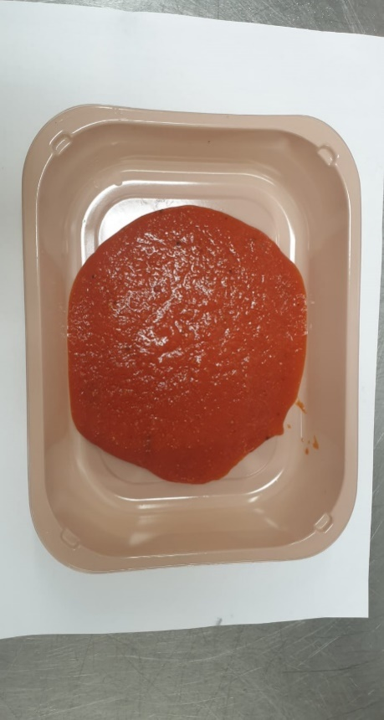 |  |  |  | 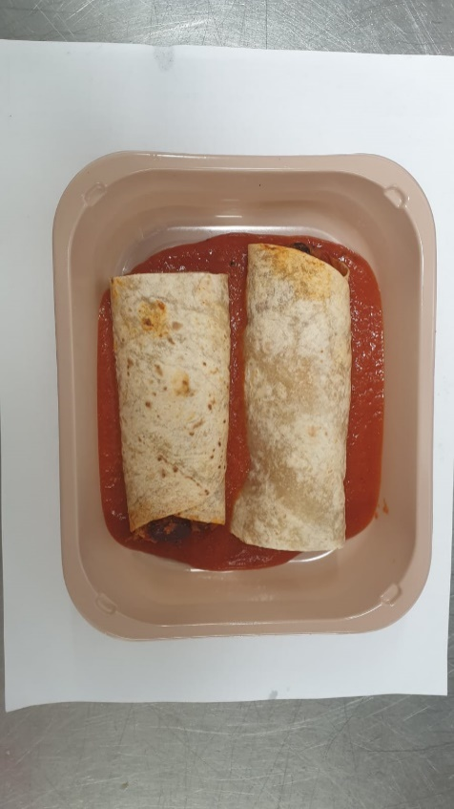
CUT ROLL IN HALF

Tray: EVOLVE CPET 2200-1D (PKRHP001-09) |  |  | Enchilada Sauce (GFF400R) : 80g |  |  |  | Enchilada Roll (GFF399R): 230g
Film: K-Peel 75G + AF 25 250mm (PKKMP001-01)
STEP 4 |  |  | STEP 5 |  |  |  | STEP 6
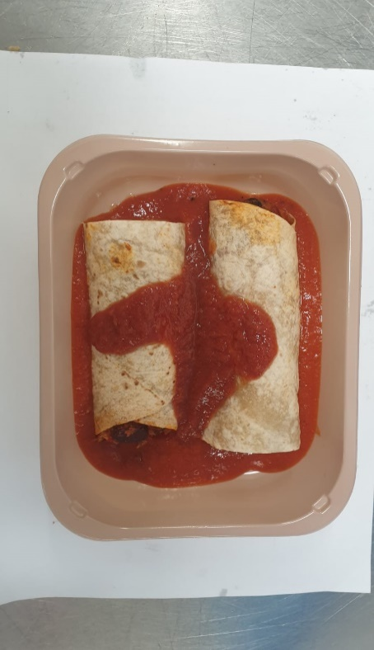 |  |  | 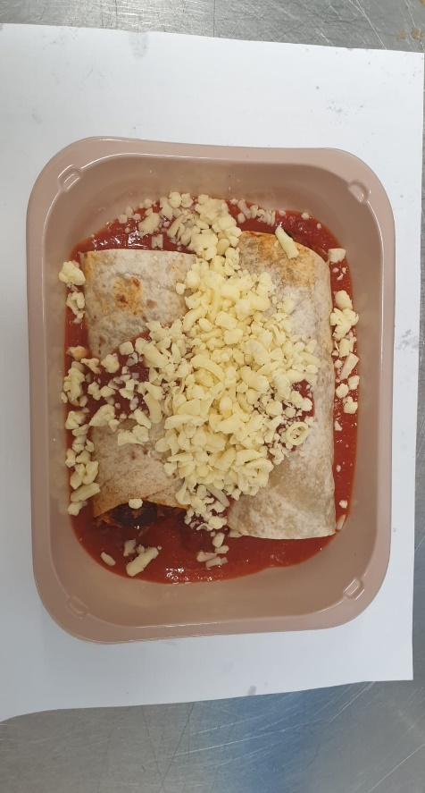 |  |  |  | 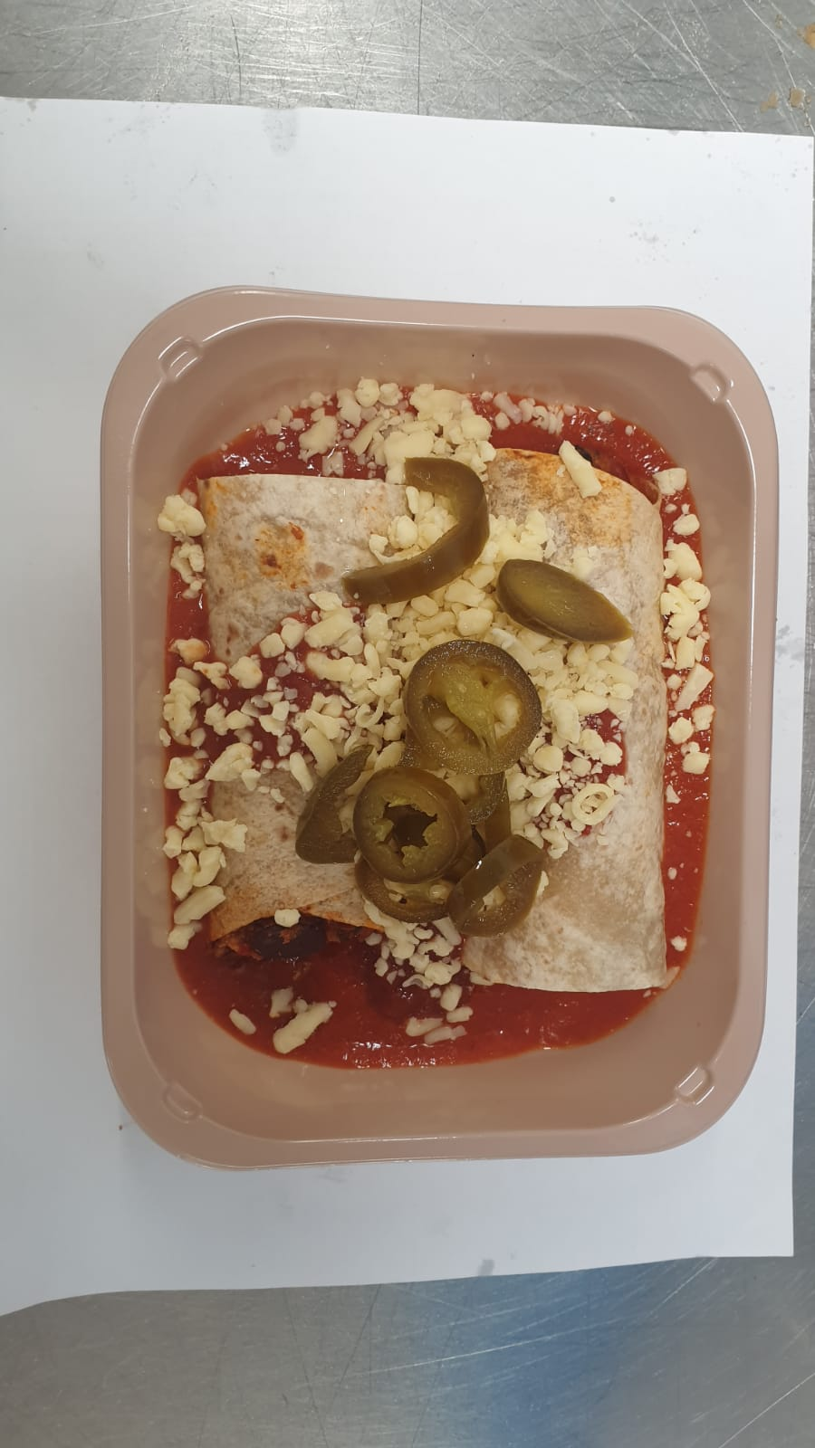
Salsa Dip to be opened only on day of portioning

Salsa Dip (RMCAM003-01) 30g |  |  | Cheddar Cheese Mature Grated (RMHAB001-24) 40g |  |  |  | Sliced Jalapeno (RMFUN001-23) 20g |  | 400g

ALLERGY ALERT: Wheat, Milk, Oat, Soya

